Summary


Instructions |  |  |  | Linear Constant Current Regulator Circuit
1) Enter supply voltage (RMS), typically 110 to 130 V or 220 to 240 V
2) Enter LED voltage (instantaneous), typically 120 to 140 V or 240 to 280 V
3) Enter total CCR current in A, for a 50 mA CCR, enter 0.05
4) Read output power , efficiency, power factor, and THD
Notes:
To calculate LED voltage, multiply # of LEDs by individual LED Vf. For example, for 40 LEDs at Vf = 3.0, enter 120.
Low LED voltage: Better power factor and THD, lower efficiency
High LED voltage: Worse power factor, and THD, but higher efficiency. Too high of an LED voltage may cause low light output at low supply voltage.
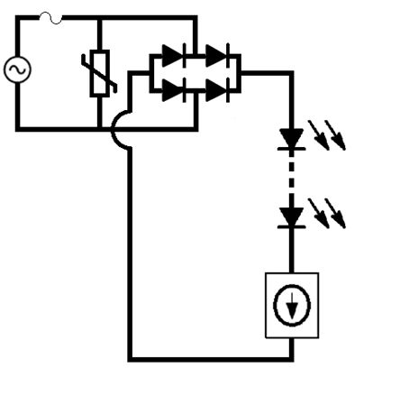

Please click the
ON Semiconductor logo
to view the full application note.

Input Parameters |  |  | Performance
Supply Voltage RMS | LED Voltage | Total CCR Current | Output Power | Efficiency | True Pf | THD
120 | 134 | 0.11 | 9.566 | 81.9% | 90.13% | 48.06%
Linear CCR Circuit - Voltage and Current Waveforms
 | LED Voltage | Bridge Supply Voltage Waveform | LED/CCR Current Waveform
 | 0 | 0 | 0
 | 0 | 1.0662848893 | 0
 | 0 | 2.1325276834 | 0
 | 0 | 3.198686289 | 0
 | 0 | 4.264718616 | 0
 | 0 | 5.3305825791 | 0
 | 0 | 6.3962361 | 0
 | 0 | 7.4616371085 | 0
 | 0 | 8.5267435442 | 0
 | 0 | 9.5915133588 | 0
 | 0 | 10.655904517 | 0
 | 0 | 11.719874998 | 0
 | 0 | 12.783382799 | 0
 | 0 | 13.846385933 | 0
 | 0 | 14.908842436 | 0
 | 0 | 15.970710363 | 0
 | 0 | 17.031947794 | 0
 | 0 | 18.092512833 | 0
 | 0 | 19.152363611 | 0
 | 0 | 20.211458286 | 0
 | 0 | 21.269755047 | 0
 | 0 | 22.327212114 | 0
 | 0 | 23.383787742 | 0
 | 0 | 24.439440218 | 0
 | 0 | 25.494127866 | 0
 | 0 | 26.54780905 | 0
 | 0 | 27.600442172 | 0
 | 0 | 28.651985675 | 0
 | 0 | 29.702398048 | 0
 | 0 | 30.75163782 | 0
 | 0 | 31.799663571 | 0
 | 0 | 32.846433925 | 0
 | 0 | 33.891907558 | 0
 | 0 | 34.936043197 | 0
 | 0 | 35.978799621 | 0
 | 0 | 37.020135663 | 0
 | 0 | 38.060010213 | 0
 | 0 | 39.09838222 | 0
 | 0 | 40.135210689 | 0
 | 0 | 41.170454689 | 0
 | 0 | 42.20407335 | 0
 | 0 | 43.236025867 | 0
 | 0 | 44.266271499 | 0
 | 0 | 45.294769575 | 0
 | 0 | 46.32147949 | 0
 | 0 | 47.346360713 | 0
 | 0 | 48.369372783 | 0
 | 0 | 49.390475312 | 0
 | 0 | 50.409627991 | 0
 | 0 | 51.426790583 | 0
...

