Parameters
How to use this sheet:
 | Green highlighted cells indicate editable parameters
 | Orange highlighted cells indicate calculated parameters (non-editable)

Input Parameters
Vin Min | 90 | Volts (AC) | Vout Min | 5 | Volts
Vin Nominal | 160 | Volts (AC) | Vout Max | 20 | Volts
Vin Max | 265 | Volts (AC) | Iout Max | 3.00 | Amps
Output Power | 65 | Watts | Iout @ Max Vout | 3.25 | Amps
Vout Tolerance | 1.0% | % | Min ACF Frequency | 125 | kHz
Vout Ripple | 1.0% | % | Duty Cycle Max | 49% | %
Target Efficiency | 93.0% | % | Tzvs | 360 | ns
Target Efficiency 4W | 85.0% | % | Secondary Side Forward Drop | 0 | Volts
Input Frequency Min | 47 | Hz | Input Frequency Max | 63 | Hz
Input Frequency Nominal | 60 | Hz | Power Factor | 1 | PF

Transformer
Suggested Turns Ratio | 6.11 | Turns P:S | Chosen Turns Ratio | 6 | Turns P:S
Suggested Max Primary Inductance | 125.9 | uH | Chosen Inductance | 120 | uH
Leakage Estimate | 2.400 | uH | Chosen Leakage | 2.5 | uH
Suggested RT Resistor | 80 | kΩ | Chosen RT | 100 | kΩ
 |  |  | Chosen Targeted Frequency | 100 | kHz

MOSFETs
Primary Voltage Rating Rec. | 583 | Volts | RdsOn High FET | 365 | mΩ
Primary Voltage Rating | 650 | Volts | COSS High FET | 30 | pF
Secondary Voltage Rating Rec. | 125 | Volts | COSS High FET 10V | 30 | pF
Secondary Voltage Rating | 150 | Volts | High Side FET Losses | 0.492 | Watts
Derating | 90% | % | Secondary Spike | 30 | Volts
Primary Spike DCM | 30 | Volts | RdsOn Sec FET | 11 | mΩ
 |  |  | COSS Sec FET | 1000 | pF
RdsOn Low FET | 299 | mΩ | COSS Sec FET 10V | 3500 | pF
COSS Low FET | 30 | pF | Secondary FET Losses | 0.393 | Watts
COSS Low FET 10V | 30 | pF | Drive Capacitance | 5 | pF
Primary FET Losses | 0.297 | Watts | Transformer Capacitance | 15 | pF

Clamp Cap
Min Recommended Value | 0.14 | uF | Voltage Rating Recommend | 151 | Volts
Chosen Value | 0.2 | uF | Chosen Rating | 200 | Volts
Clamp Cap ESR | 6 | mΩ | Derate Percentage | 80% | %

Estimated DtoA Transitions Points
 | With Zener | Without Zener
5 | 0.864 | 0.864
5.15 | 0.83883495146 | 0.83883495146
5.3 | 0.81509433962 | 0.81509433962
5.45 | 0.79266055046 | 0.79266055046
5.6 | 0.77142857143 | 0.77142857143
5.75 | 0.75130434783 | 0.75130434783
5.9 | 0.73220338983 | 0.73220338983
6.05 | 0.71404958678 | 0.71404958678
6.2 | 0.69677419355 | 0.69677419355
6.35 | 0.68031496063 | 0.68031496063
6.5 | 0.66461538462 | 0.66461538462
6.65 | 0.64962406015 | 0.64962406015
6.8 | 0.63529411765 | 0.63529411765
6.95 | 0.62158273381 | 0.62158273381
7.1 | 0.60845070423 | 0.60845070423
7.25 | 0.59586206897 | 0.59586206897
7.4 | 0.58378378378 | 0.58378378378
7.55 | 0.57218543046 | 0.57218543046
7.7 | 0.56103896104 | 0.56103896104
7.85 | 0.55031847134 | 0.55031847134
8 | 0.54 | 0.54
8.15 | 0.53006134969 | 0.53006134969
8.3 | 0.52048192771 | 0.52048192771
8.45 | 0.51124260355 | 0.51124260355
8.6 | 0.5023255814 | 0.5023255814
8.75 | 0.49371428571 | 0.49371428571
8.9 | 0.48539325843 | 0.48539325843
9.05 | 0.4773480663 | 0.4773480663
9.2 | 0.46956521739 | 0.46956521739
9.35 | 0.46203208556 | 0.46203208556
9.5 | 0.45473684211 | 0.45473684211
9.65 | 0.44766839378 | 0.44766839378
9.8 | 0.44081632653 | 0.44081632653
9.95 | 0.43417085427 | 0.43417085427
10.1 | 0.42772277228 | 0.42772277228
10.25 | 0.54134634146 | 0.42146341463
10.4 | 0.53353846154 | 0.41538461538
10.55 | 0.52595260664 | 0.40947867299
10.7 | 0.51857943925 | 0.40373831776
10.85 | 0.51141013825 | 0.39815668203
11 | 0.50443636364 | 0.39272727273
11.15 | 0.49765022422 | 0.38744394619
11.3 | 0.61338053097 | 0.38230088496
11.45 | 0.60534497817 | 0.37729257642
11.6 | 0.59751724138 | 0.3724137931
11.75 | 0.5898893617 | 0.36765957447
11.9 | 0.58245378151 | 0.36302521008
12.05 | 0.5752033195 | 0.35850622407
12.2 | 0.56813114754 | 0.35409836066
12.35 | 0.56123076923 | 0.34979757085
...
Sense Resistor (Option) and OPP
Current Transformer OR Sense Resistor | RS | Option | Power Dissipation for CS Option | 0.248 | Watts
Power Derating | 80% | %
Sense Resistor Max Recommend | 256 | mΩ | Ropp Recommend | 412 | Ω
Sense Resistor Chosen | 250 | mΩ | Ropp Chosen | 412 | Ω
Current Sense Transformer (Option)
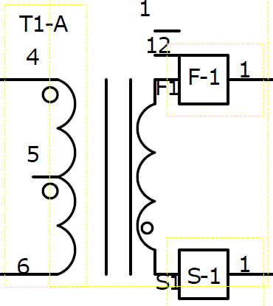
Turns Ratio CT | 100 | Turns | Burden Resistor Recommend | 10.2 | Ω
Resistance of CT | 3 | mΩ | Burden Resistor Chosen | 10.2 | Ω
Reset Resistor Recommended | 102 | Ω | Reset Resistor Chosen | 102 | Ω

DCM to ACF Transition
Target Transition Point | 0.8 | Amps | Zener Voltage | 5.6 | Volts
 |  |  | RATHb With Zener Rec. | 154.09 | kΩ
Suggested Primary Turns | 23 | Turns | RATHb With Zener Chosen | 154 | kΩ
Number of Primary Turns | 24 | Turns | RATH With Zener Rec. | 8.00 | kΩ
Estimated AtoD Transitions Points
 | Vinmin | Vinmax
5 | 0.75641971627 | 0.25315948132
5.15 | 0.74156697016 | 0.23038108188
5.3 | 0.72719809801 | 0.20789053375
5.45 | 0.71329963335 | 0.18568469313
5.6 | 0.69985852894 | 0.1637604548
5.75 | 0.68686214194 | 0.1421147516
5.9 | 0.6742982195 | 0.12074455388
6.05 | 0.66215488507 | 0.099646868973
6.2 | 0.65042062519 | 0.07881874067
6.35 | 0.63908427683 | 0.058257248733
6.5 | 0.62813501517 | 0.037959508374
6.65 | 0.61756234199 | 0.017922669769
6.8 | 0.60735607436 | -0.0018560824295
6.95 | 0.59750633392 | -0.02137952957
7.1 | 0.58800353643 | -0.040650419472
7.25 | 0.57883838186 | -0.059671466891
7.4 | 0.57000184476 | -0.078445353973
7.55 | 0.56148516505 | -0.096974730703
7.7 | 0.55327983915 | -0.11526221535
7.85 | 0.54537761144 | -0.13331039489
8 | 0.53777046603 | -0.15112182545
8.15 | 0.53045061887 | -0.16869903273
8.3 | 0.52341051015 | -0.18604451239
8.45 | 0.51664279693 | -0.20316073049
8.6 | 0.51014034614 | -0.22005012388
8.75 | 0.50389622771 | -0.23671510059
8.9 | 0.49790370809 | -0.25315804024
9.05 | 0.4921562439 | -0.2693812944
9.2 | 0.48664747586 | -0.28538718697
9.35 | 0.48137122294 | -0.30117801456
9.5 | 0.47632147667 | -0.31675604687
9.65 | 0.47149239576 | -0.33212352703
9.8 | 0.46687830077 | -0.34728267195
9.95 | 0.46247366912 | -0.3622356727
10.1 | 0.45827313012 | -0.37698469482
10.25 | 0.45427146033 | -0.39153187867
10.4 | 0.45046357897 | -0.4058793398
10.55 | 0.44684454354 | -0.42002916922
10.7 | 0.44340954555 | -0.43398343376
10.85 | 0.44015390648 | -0.44774417639
11 | 0.4370730738 | -0.46131341651
11.15 | 0.43416261715 | -0.47469315029
11.3 | 0.43141822466 | -0.48788535096
11.45 | 0.4288356994 | -0.5008919691
11.6 | 0.42641095593 | -0.51371493297
11.75 | 0.42414001695 | -0.52635614876
11.9 | 0.42201901016 | -0.5388175009
12.05 | 0.42004416507 | -0.55110085236
12.2 | 0.41821181007 | -0.56320804489
12.35 | 0.41651836947 | -0.57514089931
...
Suggested Secondary Turns | 4 | Turns | RATH With Zener Chosen | 8 | kΩ
Number of Secondary Turns | 4 | Turns | RATHb Without Zener Rec. | -179.35 | kΩ
Suggested Aux Turns | 3 | Turns | RATHb Without Zener Chosen | 105 | kΩ
Number of Aux Turns | 3 | Turns | RATH Without Zener Rec. | 1.780 | kΩ
Number of High Aux Turns (USBPD) | 8 | Turns | RATH Without Zener Chosen | 1.7 | kΩ

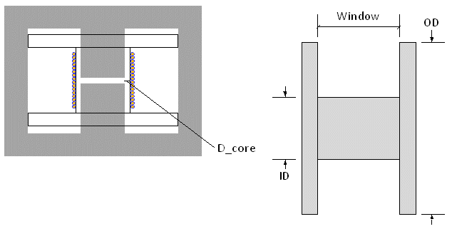
ACF to DCM Transition
Target Transition Point | 0.3 | Amps | RDTHb Rec. | 606.34 | kΩ
Fsw at Transition Point VoutMax Vinmin | 287 | kHz | RDTHb Chosen | 600.00 | kΩ
Fsw at Transition Point VoutMin Vinmin | 184 | kHz | RDTH Rec. | 19.85 | kΩ
 |  |  | RDTH Chosen | 20.00 | kΩ

Magnetics Design
KH | 0.1035 |  | Ae | 60 | mm^2
Ke | 7.178E-07 |  | Lc | 25.1 | mm
Ideal AWG vs. Load
 | awg
0.13 | 42
0.26 | 41
0.39 | 41
0.52 | 40
0.65 | 40
0.78 | 39
0.91 | 39
1.04 | 38
1.17 | 38
1.3 | 38
1.43 | 37
1.56 | 37
1.69 | 37
1.82 | 37
1.95 | 36
2.08 | 36
2.21 | 36
2.34 | 36
2.47 | 36
2.6 | 35
2.73 | 35
2.86 | 35
2.99 | 35
3.12 | 35
3.25 | 35
xx | 2.323 |  | Ve | 1500 | mm^3
MuR | 3000 |  | BobbinInnerDiameter | 8.8 | mm
Kk | 0.00002759 |  | BobbinOuterDiameter | 18 | mm
alpha | 2.362 |  | Window | 3.1 | mm | Add steinmertz
beta | 1.743 |  | Thickness of Bobbin | 0 | mm
Max Flux Density | 0.213 | Tesla | Gap Estimate | 0.354 | mm
 |  |  | Core Power Losses | 1.625 | Watts

Copper Losses
 |  |  | Vout Winding Transition | 15 | Volts
Wire AWG Suggested | 36 | AWG | Regulation Drop | 2.5 | Volts
Primary AWG Chosen | 36 | AWG | VCC Margin | 120% | %
Primary Max # of Strands/Wires | 5 | # | Window Allocation Primary | 40% | %
Primary Strands Chosen | 5 | # | Window Allocation Secondary | 33% | %
Number of Primary Layers | 2 | Layers | Secondary AWG Chosen | 34 | AWG
Estimated Min. XFMR Loss vs. Number of Primary Windings
 | Losses
8 | 21.104482814
9 | 16.167802015
10 | 12.800330708
11 | 10.406811588
12 | 8.6723751305
13 | 7.3978975066
14 | 6.4447180602
15 | 5.6732781897
16 | 5.1479611167
17 | 4.6850588613
18 | 4.4337245767
19 | 4.1646408253
20 | 3.9634623624
21 | 3.8944356957
22 | 3.797665729
23 | 3.7439136699
24 | 3.9265299307
25 | 3.8753595368
26 | 3.9292457519
27 | 3.9151814856
28 | 4.0220284925
29 | 4.0361535445
30 | 4.5634503147
31 | 4.6123135173
32 | 4.6683957067
33 | 4.9059218001
34 | 4.9791120227
35 | 5.0571428892
36 | 5.3687331181
37 | 5.4611834304
38 | 6.3355812524
39 | 6.7584662276
40 | 6.8882136437
41 | 7.0203575799
42 | 7.154655273
43 | 7.2908935451
44 | 7.8570327449
Number of Secondary Layers | 1 | Layers | Secondary Max # of Strands/Wires | 15 | #
Primary to Secondary Interfaces | 2 | # | Secondary Strands Chosen | 15 | #
Auxiliary Allocation | 5% | % | Tape Thickness | 2.2 | mil
Tape Allocation | 9% | % | Pri to Pri + Sec to Sec Interfaces | 6 | #
DCR Primary | 0.504 | Ohms | DCR Secondary | 0.020 | Ohms
Copper Losses Primary | 1.180 | Watts | Copper Losses Secondary | 0.705 | Watts

Input Currents and Fuse Ratings |  |  | Input Capacitance
Fuse Current Rating Recommended | 0.82 | Amps | Bulk Voltage Droop Spec | 35 | Volts
Fuse Current Rating Selection | 5 | Amps | Voltage Rating Min | 394 | Volts
Fuse Resistance | 17 | mΩ | Voltage Rating Chosen | 400 | Volts
Fuse Power Loss | 0.005 | Watts | Recommended Bulk Capacitance | 115 | uF
 |  |  | Bulk Capacitance Chosen | 112 | uF
Primary Snubber |  |  | Minimum Hold Up Time | 4.5 | ms
Rclamp Recommended | 100.0 | kΩ | Dissipation Factor | 0.1
Rclamp Chosen | 51.1 | kΩ | ESR Calculation | 1.4 | mΩ
Pclamp | 0.287 | Watts | ESR Chosen | 3 | mΩ

Bridge Rectifier
Number of Bridge Rectifiers | 2 | #
Forward Voltage Bridge | 0.95 | V | Reverse Voltage Min Recommended | 750 | V
Bridge Derating | 50% | % | Bridge Current Min Recommended | 0.49 | A
Thermal Resistance Junction Bridge | 60 | °C/W | Reverse Voltage Chosen | 800 | V
Max Junction Temp | 125 | °C | Bridge Current Chosen | 2 | A
Power Loss Bridge | 0.98 | Watts | Temperature of Bridge | 54.4 | °C

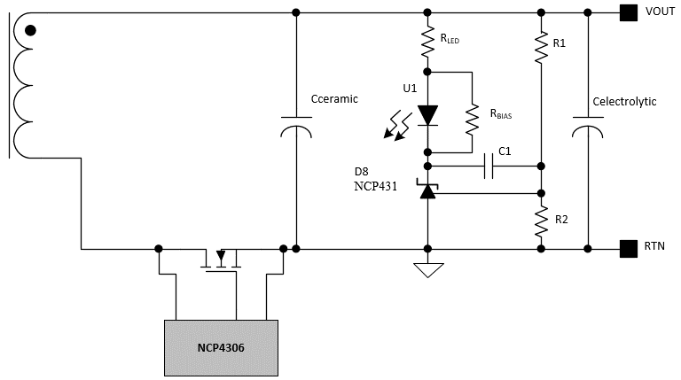
Output Capacitance
ESR Output Cap Max | 12.1 | mΩ | ECAP Rec. | 400 | uF
ESR Output ECAP (Each) | 22 | mΩ | Ceramics Rec. | 132 | uF
ESR Output Ceramic (Each) | 10 | mΩ | ECAP Value | 470 | uF
 |  |  | ECAP Count | 2 | #
Ripple at Min. Vout | 0.150 | V | Ceramics Value | 22 | uF
Ripple at Max Vout | 0.595 | V | Ceramics Count | 2 | #

VCC Capacitor
Driver Current | 2 | mA | Additional VCC Load | 0 | mA
Soft Start Time | 16 | ms | Ceramic Derating | 80% | %
 |  |  | Electrolytic Derating | 80% | %
QG Low Side | 45 | nC
QG High Side | 45 | nC | Ceramic Rec. | 52 | uF
 |  |  | Electrolytic Rec. | 38 | uF
Voltage Rating | 35 | V
Startup Bias Voltage | 15.9 | V | VCC Cap Chosen | 39 | uF
 |  |  | VCC Decouple | 0.1 | uF

HV Startup
High Voltage Resistor 1 Rec. | 1.50 | kΩ | High Voltage Resistor 1 Final Value | 1.50 | kΩ
High Voltage Resistor 2 Rec. | 1.50 | kΩ | High Voltage Resistor 2 Final Value | 1.50 | kΩ
HV Diode Derate | 80% | % | HV Diode Rating Min | 468 | V

Boot Cap Selection
Hold Up During Skip | No | Option
VCC Regulation Point | 15 | Volts | Drive Voltage | 10 | Volts
Boot IQ | 150 | uA | Total Gate Charge | 45 | nC
Vboot Off | 8 | Volts | Boot Cap Ripple | 0.2 | Volts
Igss Leakage | 100 | uA | Cboot Voltage Min Recommended | 30 | Volts
Boot Diode Leakage Current | 10 | nA | Cboot Voltage Rating | 50 | Volts
Q Internal Level Shift | 0.5 | nC | Cboot Rec. | 240 | nF
Boot Cap Derate | 80% | % | Cboot Chosen | 220 | nF

Compensation for Fixed Vout <36V - USBPD will depend on USBPD Controller specifications.
Compensation
Right Half Plane Zero | 155 | kHz | Left Half Plane Zero | 47 | kHz
Internal Current Division Ratio | 4 | A/A | Optocoupler CTR | 2 | A/A
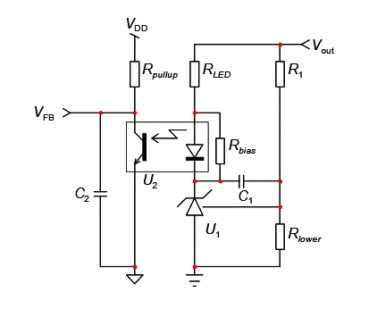
Output Voltage for FB Design | 20 | Volts | Optocoupler Cutoff Frequency | 4.5 | kHz
Vref NCP431 | 2.5 | V | Optocoupler Capacitance | 100 | pF
Ibias NCP431 | 40 | uA | NCP431 Bias Resistor Max | 62.5 | kΩ
 |  |  | NCP431 Bias Resistor Chosen | 62.5 | kΩ
R1 Suggested | 87.5 | kΩ | Rlower Suggested | 14.29 | kΩ
R1 Chosen | 100 | kΩ | Rlower Chosen | 14.29 | kΩ
Desired Crossover | 2.5 | kHz | Rpullup Primary | 100 | kΩ
 |  |  | Rpulldown Primary | 50 | kΩ
C1 Recommended | 2.33 | nF | C1 Chosen | 2.33 | nF
C2 Recommended | 0.00 | pF | C2 Chosen | 0.00 | pF
RLED Recommended | 2.22 | kΩ | RLED Chosen | 0.80 | kΩ
Estimated Phase | 61.6 | Deg | Estimated Crossover | 2.22 | kHz

