Parameters
How to use this sheet:
 | Green highlighted cells indicate editable parameters
 | Orange highlighted cells indicate calculated parameters (non-editable)

Input Parameters
Vin Min | 37 | Volts | Vout Min | 5 | Volts
Vin Nominal | 48 | Volts | Vout Max | 20 | Volts
Vin Max | 57 | Volts | Iout Max | 3.00 | Amps
Output Power | 45 | Watts | Iout @ Max Vout | 2.25 | Amps
Vout Tolerance | 2.0% | % | Min ACF Frequency | 100 | kHz
Vout Ripple | 2.0% | % | Duty Cycle Max | 52% | %
Target Efficiency | 94.0% | % | Tzvs | 210 | ns
Target Efficiency 4W | 85.0% | % | Secondary Side Forward Drop | 0 | Volts

Transformer
Suggested Turns Ratio | 2.00 | Turns P:S | Chosen Turns Ratio | 2 | Turns P:S
Suggested Max Primary Inductance | 16.2 | uH | Chosen Inductance | 16 | uH
Leakage Estimate | 0.320 | uH | Chosen Leakage | 0.3 | uH
Suggested RT Resistor | 100 | kΩ | Chosen RT | 100 | kΩ
 |  |  | Chosen Targeted Frequency | 100 | kHz

MOSFETs
Primary Voltage Rating Rec. | 141 | Volts | RdsOn High FET | 12.4 | mΩ
Primary Voltage Rating | 150 | Volts | COSS High FET | 200 | pF
Secondary Voltage Rating Rec. | 87 | Volts | COSS High FET 10V | 2000 | pF
Secondary Voltage Rating | 100 | Volts | High Side FET Losses | 0.127 | Watts
Derating | 90% | % | Secondary Spike | 30 | Volts
Primary Spike DCM | 30 | Volts | RdsOn Sec FET | 2.5 | mΩ
 |  |  | COSS Sec FET | 1470 | pF
RdsOn Low FET | 12.4 | mΩ | COSS Sec FET 10V | 3500 | pF
COSS Low FET | 200 | pF | Secondary FET Losses | 0.052 | Watts
COSS Low FET 10V | 2000 | pF | Drive Capacitance | 5 | pF
Primary FET Losses | 0.064 | Watts | Transformer Capacitance | 5 | pF

Clamp Cap
Min Recommended Value | 1.5 | uF | Voltage Rating Recommend | 51 | Volts
Chosen Value | 18 | uF | Chosen Rating | 200 | Volts
Clamp Cap ESR | 6 | mΩ | Derate Percentage | 80% | %

Estimated DtoA Transitions Points
 | With Zener | Without Zener
5 | 2.2959183673 | 2.2959183673
5.15 | 2.2290469586 | 2.2290469586
5.3 | 2.1659607239 | 2.1659607239
5.45 | 2.106347126 | 2.106347126
5.6 | 2.0499271137 | 2.0499271137
5.75 | 1.9964507542 | 1.9964507542
5.9 | 1.9456935316 | 1.9456935316
6.05 | 1.8974531962 | 1.8974531962
6.2 | 1.8515470704 | 1.8515470704
6.35 | 1.8078097381 | 1.8078097381
6.5 | 1.7660910518 | 1.7660910518
6.65 | 1.7262544115 | 1.7262544115
6.8 | 1.6881752701 | 1.6881752701
6.95 | 1.6517398326 | 1.6517398326
7.1 | 1.6168439207 | 1.6168439207
7.25 | 1.5833919775 | 1.5833919775
7.4 | 1.5512961942 | 1.5512961942
7.55 | 1.52047574 | 1.52047574
7.7 | 1.4908560827 | 1.4908560827
7.85 | 1.4623683868 | 1.4623683868
8 | 1.4349489796 | 1.4349489796
8.15 | 1.4085388757 | 1.4085388757
8.3 | 1.3830833538 | 1.3830833538
8.45 | 1.3585315783 | 1.3585315783
8.6 | 1.3348362601 | 1.3348362601
8.75 | 1.3119533528 | 1.3119533528
8.9 | 1.2898417794 | 1.2898417794
9.05 | 1.2684631864 | 1.2684631864
9.2 | 1.2477817214 | 1.2477817214
9.35 | 1.2277638328 | 1.2277638328
9.5 | 1.2083780881 | 1.2083780881
9.65 | 1.189595009 | 1.189595009
9.8 | 1.1713869221 | 1.1713869221
9.95 | 1.1537278228 | 1.1537278228
10.1 | 1.1365932512 | 1.1365932512
10.25 | 1.1199601792 | 1.1199601792
10.4 | 1.1038069074 | 1.1038069074
10.55 | 1.0881129703 | 1.0881129703
10.7 | 1.0728590502 | 1.0728590502
10.85 | 1.0580268974 | 1.0580268974
11 | 1.0435992579 | 1.0435992579
11.15 | 1.029559806 | 1.029559806
11.3 | 1.0158930829 | 1.0158930829
11.45 | 1.0025844399 | 1.0025844399
11.6 | 0.98961998593 | 0.98961998593
11.75 | 0.9769865393 | 0.9769865393
11.9 | 0.96467158292 | 0.96467158292
12.05 | 0.95266322297 | 0.95266322297
12.2 | 0.94095015055 | 0.94095015055
12.35 | 0.92952160621 | 0.92952160621
...
Sense Resistor (Option) and OPP
Current Transformer OR Sense Resistor | CT | Option | Power Dissipation for CS Option | 0.010 | Watts
Power Derating | 100% | %
Sense Resistor Max Recommend | 56 | mΩ | Ropp Recommend | 361 | Ω
Sense Resistor Chosen | 56 | mΩ | Ropp Chosen | 222 | Ω
Current Sense Transformer (Option)
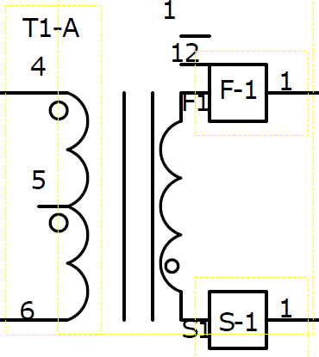
Turns Ratio CT | 100 | Turns | Burden Resistor Recommend | 5.6 | Ω
Resistance of CT | 2 | mΩ | Burden Resistor Chosen | 6 | Ω
Reset Resistor Recommended | 60 | Ω | Reset Resistor Chosen | 70 | Ω

DCM to ACF Transition
Target Transition Point | 0.8 | Amps | Zener Voltage | 5.6 | Volts
 |  |  | RATHb With Zener Rec. | 426.53 | kΩ
Suggested Primary Turns | 8 | Turns | RATHb With Zener Chosen | 426 | kΩ
Number of Primary Turns | 10 | Turns | RATH With Zener Rec. | 7.99 | kΩ
Estimated AtoD Transitions Points
 | Vinmin | Vinmax
5 | 1.1597360141 | 1.047459052
5.15 | 1.1440741823 | 1.0482999584
5.3 | 1.12887913 | 1.0420738648
5.45 | 1.1141370575 | 1.0251068594
5.6 | 1.099834633 | 1.0085214738
5.75 | 1.0859589745 | 0.99230965462
5.9 | 1.072497632 | 0.9764635417
6.05 | 1.0594385713 | 0.96097546282
6.2 | 1.0467701574 | 0.9458379285
6.35 | 1.0344811399 | 0.93104362699
6.5 | 1.0225606379 | 0.91658541944
6.65 | 1.010998126 | 0.90245633518
6.8 | 0.99978342139 | 0.88864956718
6.95 | 0.98890667053 | 0.87515846763
7.1 | 0.97835833724 | 0.86197654368
7.25 | 0.96812919077 | 0.84909745324
7.4 | 0.95821029466 | 0.83651500104
7.55 | 0.94859299592 | 0.82422313466
7.7 | 0.93926891471 | 0.81221594079
7.85 | 0.93022993444 | 0.80048764155
8 | 0.9214681923 | 0.78903259094
8.15 | 0.91297607013 | 0.77784527136
8.3 | 0.90474618574 | 0.76692029033
8.45 | 0.89677138446 | 0.75625237714
8.6 | 0.88904473118 | 0.74583637981
8.75 | 0.88155950258 | 0.73566726194
8.9 | 0.87430917975 | 0.72574009978
9.05 | 0.86728744106 | 0.71605007935
9.2 | 0.86048815536 | 0.70659249363
9.35 | 0.85390537538 | 0.69736273983
9.5 | 0.84753333143 | 0.68835631679
9.65 | 0.84136642538 | 0.67956882235
9.8 | 0.83539922478 | 0.67099595094
9.95 | 0.82962645729 | 0.6626334911
10.1 | 0.82404300529 | 0.65447732314
10.25 | 0.81864390069 | 0.64652341689
10.4 | 0.81342431994 | 0.63876782943
10.55 | 0.80837957927 | 0.63120670297
10.7 | 0.80350513005 | 0.62383626276
10.85 | 0.79879655432 | 0.61665281501
11 | 0.79424956057 | 0.60965274496
11.15 | 0.78985997959 | 0.6028325149
11.3 | 0.7856237605 | 0.59618866235
11.45 | 0.78153696693 | 0.5897177982
11.6 | 0.77759577337 | 0.58341660497
11.75 | 0.77379646158 | 0.57728183505
11.9 | 0.77013541721 | 0.57131030908
12.05 | 0.76660912647 | 0.56549891425
12.2 | 0.76321417297 | 0.55984460278
12.35 | 0.75994723468 | 0.55434439032
...
Suggested Secondary Turns | 5 | Turns | RATH With Zener Chosen | 8 | kΩ
Number of Secondary Turns | 5 | Turns | RATHb Without Zener Rec. | 105.26 | kΩ
Suggested Aux Turns | 4 | Turns | RATHb Without Zener Chosen | 105 | kΩ
Number of Aux Turns | 4 | Turns | RATH Without Zener Rec. | 1.690 | kΩ
Number of High Aux Turns (USBPD) | 10 | Turns | RATH Without Zener Chosen | 1.7 | kΩ

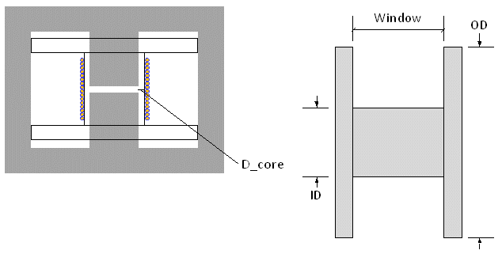
ACF to DCM Transition
Target Transition Point | 0.3 | Amps | RDTHb Rec. | 1074.70 | kΩ
Fsw at Transition Point VoutMax Vinmin | 287 | kHz | RDTHb Chosen | 1000.00 | kΩ
Fsw at Transition Point VoutMin Vinmin | 184 | kHz | RDTH Rec. | 16.45 | kΩ
 |  |  | RDTH Chosen | 16.00 | kΩ

Magnetics Design
KH | 0.1035 |  | Ae | 60 | mm^2
Ke | 7.178E-07 |  | Lc | 25.1 | mm
Ideal AWG vs. Load
 | awg
0.09 | 41
0.18 | 40
0.27 | 40
0.36 | 40
0.45 | 39
0.54 | 39
0.63 | 38
0.72 | 38
0.81 | 38
0.9 | 38
0.99 | 37
1.08 | 37
1.17 | 37
1.26 | 37
1.35 | 36
1.44 | 36
1.53 | 36
1.62 | 36
1.71 | 36
1.8 | 35
1.89 | 35
1.98 | 35
2.07 | 35
2.16 | 35
2.25 | 35
xx | 2.323 |  | Ve | 1500 | mm^3
MuR | 3000 |  | BobbinInnerDiameter | 8.8 | mm
Kk | 0.00002759 |  | BobbinOuterDiameter | 18 | mm
alpha | 2.362 |  | Window | 3.1 | mm | Add steinmertz
beta | 1.743 |  | Thickness of Bobbin | 0 | mm
Max Flux Density | 0.153 | Tesla | Gap Estimate | 0.463 | mm
 |  |  | Core Power Losses | 0.760 | Watts

Copper Losses
 |  |  | Vout Winding Transition | 15 | Volts
Wire AWG Suggested | 36 | AWG | Regulation Drop | 2.5 | Volts
Primary AWG Chosen | 34 | AWG | VCC Margin | 120% | %
Primary Max # of Strands/Wires | 8 | # | Window Allocation Primary | 40% | %
Primary Strands Chosen | 8 | # | Window Allocation Secondary | 33% | %
Number of Primary Layers | 2 | Layers | Secondary AWG Chosen | 34 | AWG
Estimated Min. XFMR Loss vs. Number of Primary Windings
 | Losses
8 | 2.6004380524
9 | 2.6079432322
10 | 2.8295043047
11 | 2.9495664465
12 | 3.3798394935
13 | 4.0006421468
14 | 4.211296335
15 | 4.595703188
16 | 5.4512694793
17 | 5.9755772987
18 | 6.2865159249
19 | 8.0362354893
20 | 8.4309797405
21 | 8.8286681678
22 | 9.2287398383
23 | 10.219279989
24 | 12.93664133
25 | 13.462532418
26 | 13.989543641
27 | 14.517500088
28 | 16.120948283
29 | 16.688775098
30 | 17.25719113
31 | 17.826115979
32 | 18.395482341
33 | 18.965233543
34 | 26.018402966
35 | 26.779465953
36 | 29.843695062
37 | 30.669219985
38 | 31.494950264
39 | 32.320863522
40 | 33.146940314
41 | 33.973163676
42 | 34.799518762
43 | 35.625992533
44 | 36.452573504
Number of Secondary Layers | 1 | Layers | Secondary Max # of Strands/Wires | 12 | #
Primary to Secondary Interfaces | 2 | # | Secondary Strands Chosen | 12 | #
Auxiliary Allocation | 5% | % | Tape Thickness | 2.2 | mil
Tape Allocation | 9% | % | Pri to Pri + Sec to Sec Interfaces | 6 | #
DCR Primary | 0.093 | Ohms | DCR Secondary | 0.031 | Ohms
Copper Losses Primary | 1.430 | Watts | Copper Losses Secondary | 0.640 | Watts

Input Currents and Fuse Ratings |  |  | Input Capacitance
Fuse Current Rating Recommended | 1.94 | Amps | Input Voltage Ripple Spec. | 1.5 | Volts
Fuse Current Rating Selection | 5 | Amps | Voltage Rating Min | 71 | Volts
Fuse Resistance | 0 | mΩ | Voltage Rating Chosen | 100 | Volts
Fuse Power Loss | 0.000 | Watts
 |  |  | Rec. Cermaic Capacitance Derated | 12 | uF
Primary Snubber |  |  | Input Capacitance Chosen | 27 | uF
Rclamp Recommended | 100.0 | kΩ | Dissipation Factor | 0.1
Rclamp Chosen | 51.1 | kΩ | ESR Calculation | 5.9 | mΩ
Pclamp | 0.033 | Watts | ESR Chosen | 3 | mΩ

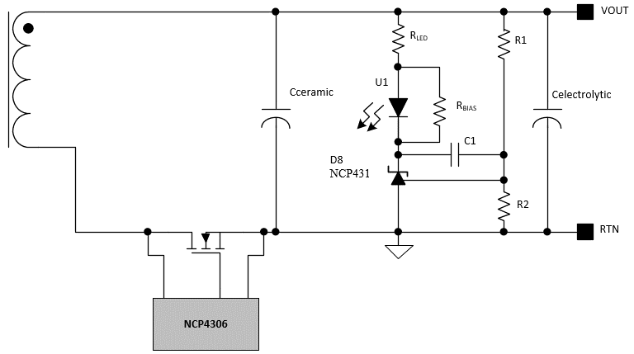
Output Capacitance
ESR Output Cap Max | 9.6 | mΩ | ECAP Rec. | 600 | uF
ESR Output ECAP (Each) | 22 | mΩ | Ceramics Rec. | 166 | uF
ESR Output Ceramic (Each) | 10 | mΩ | ECAP Value | 470 | uF
 |  |  | ECAP Count | 2 | #
Ripple at Min. Vout | 0.043 | V | Ceramics Value | 22 | uF
Ripple at Max Vout | 0.156 | V | Ceramics Count | 2 | #

VCC Capacitor
Driver Current | 2 | mA | Additional VCC Load | 0 | mA
Soft Start Time | 16 | ms | Ceramic Derating | 80% | %
 |  |  | Electrolytic Derating | 80% | %
QG Low Side | 45 | nC
QG High Side | 45 | nC | Ceramic Rec. | 52 | uF
 |  |  | Electrolytic Rec. | 38 | uF
Voltage Rating | 35 | Volts
Startup Bias Voltage | 15.9 | Volts | VCC Cap Chosen | 39 | uF
 |  |  | VCC Decouple | 0.1 | uF

HV Startup
High Voltage Resistor 1 Rec. | 100 | Ω | High Voltage Resistor 1 Final Value | 100 | Ω

Boot Cap Selection
Hold Up During Skip | No | Option
VCC Regulation Point | 15 | Volts | Drive Voltage | 10 | Volts
Boot IQ | 150 | uA | Total Gate Charge | 45 | nC
Vboot Off | 8 | Volts | Boot Cap Ripple | 0.2 | Volts
Igss Leakage | 100 | uA | Cboot Voltage Min Recommended | 30 | Volts
Boot Diode Leakage Current | 10 | nA | Cboot Voltage Rating | 50 | Volts
Q Internal Level Shift | 0.5 | nC | Cboot Rec. | 240 | nF
Boot Cap Derate | 80% | % | Cboot Chosen | 220 | nF

Compensation for Fixed Vout - USBPD will depend on USBPD Controller specifications.
Compensation
Right Half Plane Zero | 151 | kHz | Left Half Plane Zero | 47 | kHz
Internal Current Division Ratio | 4 | A/A | Optocoupler CTR | 2 | A/A
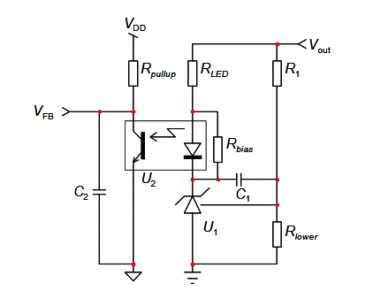
Output Voltage for FB Design | 20 | Volts | Optocoupler Cutoff Frequency | 4.5 | kHz
Vref NCP431 | 2.5 | V | Optocoupler Capacitance | 100 | pF
Ibias NCP431 | 40 | uA | NCP431 Bias Resistor Max | 62.5 | kΩ
 |  |  | NCP431 Bias Resistor Chosen | 62.5 | kΩ
R1 Suggested | 87.5 | kΩ | Rlower Suggested | 14.29 | kΩ
R1 Chosen | 100 | kΩ | Rlower Chosen | 14.29 | kΩ
Desired Crossover | 2.5 | kHz | Rpullup Primary | 20 | kΩ
 |  |  | Rpulldown Primary | 40 | kΩ
C1 Recommended | 2.34 | nF | C1 Chosen | 2.34 | nF
C2 Recommended | 0.00 | pF | C2 Chosen | 0.00 | pF
RLED Recommended | 4.45 | kΩ | RLED Chosen | 4.45 | kΩ
Estimated Phase | 46.2 | Deg | Estimated Crossover | 0.94 | kHz

