Title
Electronic Fuse/Inrush Limiter

NIS5232 Design Aid



Directions:

Begin with sheet 1 and work in order of the sheet numbers. All user inputs are in cells with magenta backgrounds.
The remarks input on sheet 1 will be copied to the other sheets for future reference to revisions, etc…

Please note that all calculations on this sheet are based on nominal values. For a worst case design, consult the
data sheet for the appropriate tolerances that need to be factored in.

Sheet 1: System inputs for Current Limit and dv/dt circuit.

Sheet 2: Suggested values and user input for actual resistor and capacitor selections.

Sheet 3: Thermal calcuations

Sheet 4: Basic schematic and parts list, based on inputs from the other sheets.

Rev. 3 Copyright 2009, ON Semiconductor

1. System Requirments
NIS5232 Design Aid ON Semiconductor

Remarks: | NIS5232 Design Assistance
 | Enter titles and rev information in above space

Maximum steady state input: |  | 15 | Volts

Enter "K" or "D" for Kelvin or Direct Sensing |  | k | K/D
Current Limit Short Circuit Level: |  | 2.5 | Amps

Output Slew Rate (t from 0 -12 V) |  | 20 | ms

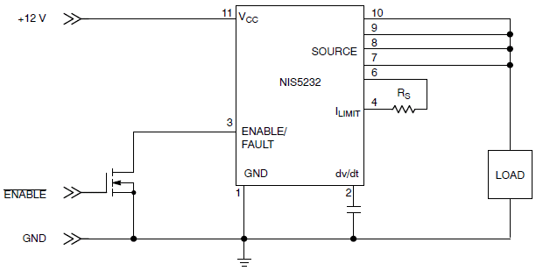
Kelvin Sensing
 |  |  |  |  |  |  |  | This graph shows the overload and short circuit current limit
 |  |  |  |  | R_limit | Overload | Short Ckt | curves. The lower curve (short circuit) is the current limit
 |  |  |  |  | 8.9 | 6.45 | 5.46 | level that the device will limit at when there is significant
 |  |  |  |  | 12.4 | 5.16 | 4.03 | voltage from drain to source (<300 mV) of the main power
 |  |  |  | Kelvin Sensing | 17.4 | 4.25 | 3.04 | FET. This occurs at turn on, into a capacitor, or during a
 |  |  |  | Schematic and Curves | 26.7 | 3.47 | 2.10 | short circuit event.
 |  |  |  |  | 44.2 | 2.97 | 1.36 | The overload level is in effect when the unit is operational
 |  |  |  |  | 90.9 | 2.56 | 0.70 | and the FET is fully enhanced (at its lowest Rds(on)). When
 |  |  |  |  |  |  |  | the overload level is reached, the current limit will auto-
 |  |  |  |  |  |  |  | matically reduce to the short circuit level.
 |  |  |  |  |  |  |  | For more information on this feature, refer to appliation note
 |  |  |  |  |  |  |  | AND8140.

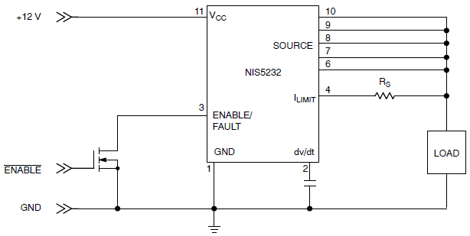
Direct Sensing
 |  |  |  |  |  |  |  | Kelvin sensing is used for the data in the electrical table and
 |  |  |  |  |  |  |  | therefore has guaranteed min and max limits under the conditions
 |  |  |  |  |  |  |  | tested. Direct sensing has only graphical data available.
 |  |  |  |  | R_limit | OL | SC | There are slight differences between the overload and short
 |  |  |  | Direct Sensing | 150 | 2.05 | 0.446 | circuit curves that may influence the choice of configurations.
 |  |  |  | Schematic and Curves | 97.6 | 2.16 | 0.68
 |  |  |  |  | 82 | 2.23 | 0.78
 |  |  |  |  | 68 | 2.33 | 0.95
 |  |  |  |  | 47.5 | 2.59 | 1.37
 |  |  |  |  | 27 | 3.52 | 2.36
 |  |  |  |  | 15 | 5.37 | 4.39
 |  |  |  |  | 10 | 8.26 | 7.58

 |  | Sheet 1. System Requirements

4. Schem & BOM
NIS5232 Design Aid ON Semiconductor

NIS5232 Design Assistance

Kelvin schematic for NIS5232 |  |  |  |  |  |  |  | Direct schematic for NIS5232

Specifications:
 |  | Ilimit = | 2.5 | A |  | (short circuit limit level)
Kelvin sense |  | Ilimit = | 3.8 | A |  | (overload limit level)
 |  | t0-12 = | 20.9 | ms

Parts: | Quan. |  |  |  |  | Pdiss
 | 1 | Rlimit = | 22 | Ω |  | 23 | mW | Note: Actual resistor ratings should be
 | 1 | Cdv/dt = | 820 | pF |  |  |  | derated by a factor of at least 2; so a
 |  |  |  |  |  |  |  | resistor that will dissipate 10 mW
 |  |  |  |  |  |  |  | should have at least a 20 mW rating.


Thermal Conditions

Maximum Junction Temperature: |  |  |  | 118 | °C
Maximum Case Temperature: |  |  |  | 111 | °C

 |  |  |  | Sheet 4. Schematic and BOM

