Calculator
Secondary Side Synchronous Rectifier Losses

Max Output Current | 20 | A |  |  | Instructions
Switching Frequency | 90 | kHz
Duty Cycle | 50 | % |  |  | 1 | Fill in the orange boxes with the power supply
Dead Time | 20 | ns |  |  |  | parameters. The dark orange are the more critial
Primary Voltage | 48.00 | V |  |  |  | parameters.
Turns Ratio Pri:Sec | 2.00 |  |  |  | 2 | Select the ON Semiconductor parts in the green
Ambient Temperature | 50 | °C |  |  |  | boxes and the desired drive voltage
Board RθJa | 80 | °C/W |  |  | 3 | Fill in the purple boxes with a competitor's
 |  |  |  |  |  | datasheet values

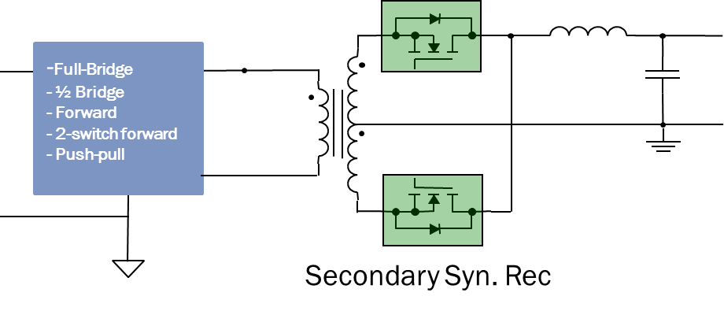
Part | 1 | 2 | 3
Name | NTMFS5C430NL | NTMFS5C423NL
Drive Voltage | 9 |  |  | V
Rdson @ Drive Voltage | 1.21 | 1.65 |  | mΩ
Qoss @ 24 V | 68.94 | 45.26 |  | nC
Qgtot @ Drive Voltage | 63.09 | 45.09 |  | nC
Qgd | 9 | 6.7 |  | nC
Rdson Temperature Coefficient @ 150°C | 1.7 | 1.7
Vf | 0.748 | 0.762 |  | V
Vf Temperature Coefficient | -2 | -2 |  | mV/°C

Without Self Heating
 | Cond | Qoss | Drive | Cond | Qoss | Drive | Cond | Qoss | Drive | Vf | Vf | Vf
NTMFS5C430NL | 0 | 0.0744506964 | 0.043813636364 |  |  |  |  |  |  | 0
NTMFS5C423NL |  |  |  | 0 | 0.04888282392 | 0.031096636364 |  |  |  |  | 0
0 |  |  |  |  |  |  | 0 | 0 | 0 |  |  | 0
NTMFS5C430NL | 0.0172425 | 0.0744506964 | 0.043813636364 |  |  |  |  |  |  | 0.0059641496509
NTMFS5C423NL |  |  |  | 0.0235125 | 0.04888282392 | 0.031096636364 |  |  |  |  | 0.0060790980605
0 |  |  |  |  |  |  | 0 | 0 | 0 |  |  | 0
NTMFS5C430NL | 0.06897 | 0.0744506964 | 0.043813636364 |  |  |  |  |  |  | 0.012138815981
NTMFS5C423NL |  |  |  | 0.09405 | 0.04888282392 | 0.031096636364 |  |  |  |  | 0.012378066563
0 |  |  |  |  |  |  | 0 | 0 | 0 |  |  | 0
NTMFS5C430NL | 0.1551825 | 0.0744506964 | 0.043813636364 |  |  |  |  |  |  | 0.018523998991
NTMFS5C423NL |  |  |  | 0.2116125 | 0.04888282392 | 0.031096636364 |  |  |  |  | 0.018896905508
0 |  |  |  |  |  |  | 0 | 0 | 0 |  |  | 0
NTMFS5C430NL | 0.27588 | 0.0744506964 | 0.043813636364 |  |  |  |  |  |  | 0.025119698681
NTMFS5C423NL |  |  |  | 0.3762 | 0.04888282392 | 0.031096636364 |  |  |  |  | 0.025635614895
0 |  |  |  |  |  |  | 0 | 0 | 0 |  |  | 0
With Self Heating
 | Cond | Qoss | Drive | Cond | Qoss | Drive | Cond | Qoss | Drive | Vf | Vf | Vf
NTMFS5C430NL | 0 | 0.0744506964 | 0.043813636364 |  |  |  |  |  |  | 0
NTMFS5C423NL |  |  |  | 0 | 0.04888282392 | 0.031096636364 |  |  |  |  | 0
0 |  |  |  |  |  |  | 0 | 0 | 0 |  |  | 0
NTMFS5C430NL | 0.017400591836 | 0.0744506964 | 0.043813636364 |  |  |  |  |  |  | 0.0054805528026
NTMFS5C423NL |  |  |  | 0.023788075858 | 0.04888282392 | 0.031096636364 |  |  |  |  | 0.0055861511736
0 |  |  |  |  |  |  | 0 | 0 | 0 |  |  | 0
NTMFS5C430NL | 0.07122294878 | 0.0744506964 | 0.043813636364 |  |  |  |  |  |  | 0.010999423549
NTMFS5C423NL |  |  |  | 0.098122367629 | 0.04888282392 | 0.031096636364 |  |  |  |  | 0.011160739216
0 |  |  |  |  |  |  | 0 | 0 | 0 |  |  | 0
NTMFS5C430NL | 0.16641213306 | 0.0744506964 | 0.043813636364 |  |  |  |  |  |  | 0.016378511407
NTMFS5C423NL |  |  |  | 0.23242230738 | 0.04888282392 | 0.031096636364 |  |  |  |  | 0.016465876554
0 |  |  |  |  |  |  | 0 | 0 | 0 |  |  | 0
NTMFS5C430NL | 0.31224641388 | 0.0744506964 | 0.043813636364 |  |  |  |  |  |  | 0.02138759877
NTMFS5C423NL |  |  |  | 0.44544582375 | 0.04888282392 | 0.031096636364 |  |  |  |  | 0.021137725658
0 |  |  |  |  |  |  | 0 | 0 | 0 |  |  | 0

Synchronous Rectifier Losses Without Self Heating
 | NTMFS5C430NL | NTMFS5C423NL
0 | 0.11826433276 | 0.079979460284 | 0
1 | 0.12013002136 | 0.08211819026 | 0
2 | 0.12338353062 | 0.086146715055 | 0
3 | 0.12802486055 | 0.092065034667 | 0
4 | 0.13405401115 | 0.099873149097 | 0
5 | 0.14147098241 | 0.10957105834 | 0
6 | 0.15027577435 | 0.12115876241 | 0
7 | 0.16046838695 | 0.13463626129 | 0
8 | 0.17204882021 | 0.15000355499 | 0
9 | 0.18501707414 | 0.16726064351 | 0
10 | 0.19937314875 | 0.18640752685 | 0
11 | 0.21511704401 | 0.207444205 | 0
12 | 0.23224875995 | 0.23037067797 | 0
13 | 0.25076829655 | 0.25518694576 | 0
14 | 0.27067565382 | 0.28189300837 | 0
15 | 0.29197083176 | 0.31048886579 | 0
16 | 0.31465383036 | 0.34097451803 | 0
17 | 0.33872464963 | 0.37334996509 | 0
18 | 0.36418328957 | 0.40761520697 | 0
19 | 0.39102975017 | 0.44377024367 | 0
20 | 0.41926403144 | 0.48181507518 | 0
Synchronous Rectifier Losses With Self Heating
 | NTMFS5C430NL | NTMFS5C423NL
0 | 0.11826433276 | 0.079979460284 | 0
1 | 0.12012998972 | 0.082118364795 | 0
2 | 0.12338613332 | 0.086152285412 | 0
3 | 0.12804026116 | 0.092094867646 | 0
4 | 0.13410445624 | 0.09996832809 | 0
5 | 0.1415954774 | 0.10980368731 | 0
6 | 0.15053488884 | 0.12164110426 | 0
7 | 0.16094923061 | 0.13553031903 | 0
8 | 0.17287023274 | 0.15153121355 | 0
9 | 0.18630955674 | 0.16971450207 | 0
10 | 0.20138670509 | 0.19016256713 | 0
11 | 0.21807419463 | 0.2129704598 | 0
12 | 0.23645318169 | 0.23824708804 | 0
13 | 0.25658636466 | 0.26611662208 | 0
14 | 0.2785440816 | 0.29672015242 | 0
15 | 0.30240497723 | 0.33021764421 | 0
16 | 0.32825677092 | 0.36679024175 | 0
17 | 0.35619714069 | 0.40664298931 | 0
18 | 0.38633474087 | 0.45000805043 | 0
19 | 0.41879037444 | 0.49714852758 | 0
20 | 0.45369834541 | 0.54836300969 | 0

Synchronous Rectifier Temperature With Self Heating
 | NTMFS5C430NL | NTMFS5C423NL
0 | 50 | 50 | 50
1 | 50.149252556 | 50.171112361 | 50
2 | 50.409744044 | 50.49382601 | 50
3 | 50.782074272 | 50.969232589 | 50
4 | 51.267209878 | 51.599109424 | 50
5 | 51.866491571 | 52.385938163 | 50
6 | 52.581644486 | 53.332931518 | 50
7 | 53.414791828 | 54.4440687 | 50
8 | 54.368471998 | 55.724140261 | 50
9 | 55.34021931 | 57.178803343 | 50
10 | 56.649789786 | 58.814648548 | 50
11 | 57.984788949 | 60.639279961 | 50
12 | 59.455107914 | 62.661410221 | 50
13 | 61.065762552 | 64.890972944 | 50
14 | 62.822379907 | 67.339255371 | 50
15 | 64.731251557 | 70.019054714 | 50
16 | 66.799395052 | 72.944862516 | 50
17 | 69.034624633 | 76.133082319 | 50
18 | 71.445632646 | 79.602287202 | 50
19 | 74.042083324 | 83.373525351 | 50
20 | 76.834720984 | 87.470683848 | 50

