NCV97200 Worst case
ON Semiconductor Confidential Information |  |  |  |  |  | Worst Case | Package | RθJA |  | T (°C rise) | Max T (°C ambient)
NCV97200 Thermal Capability Tool |  |  | Total Internal Dissipation: | 1.72 | W | Efficiency | QFN 4x4 mm | 30 | °C/W | 51.6 | 98.4
 |  |  |  |  |  | 74.5%
Power Loss for Switcher 1 [Battery-Connected Non-Synchronous Buck]
VBAT | 8.0 | V | D | 0.528
VOUT1 Direct Load | 2.200 | A | Inductor | 3.30 | uH
 |  |  | DCR | 0.056 | Ω | I Inductor p-p (A)
Total VOUT1 Load |  |  |  |  |  | 0.25
 | 2.72 | A | Pind | 0.414 | W
 |  |  | Pcon | 1.40 | W | I Inductor RMS (A)
 |  |  | Psw | 0.18 | W | 2.72
RdsonHS | 0.358 | Ω | Piq | 0.03 | W
ton | 5 | ns | Pdiode | 0.71 | W | I Inductor Peak (A)
toff | 2 | ns | Pdiss - Vdrive1 | 0.07 | W | 2.85
fsw | 2300 | kHz | Internal SW1 dissipation
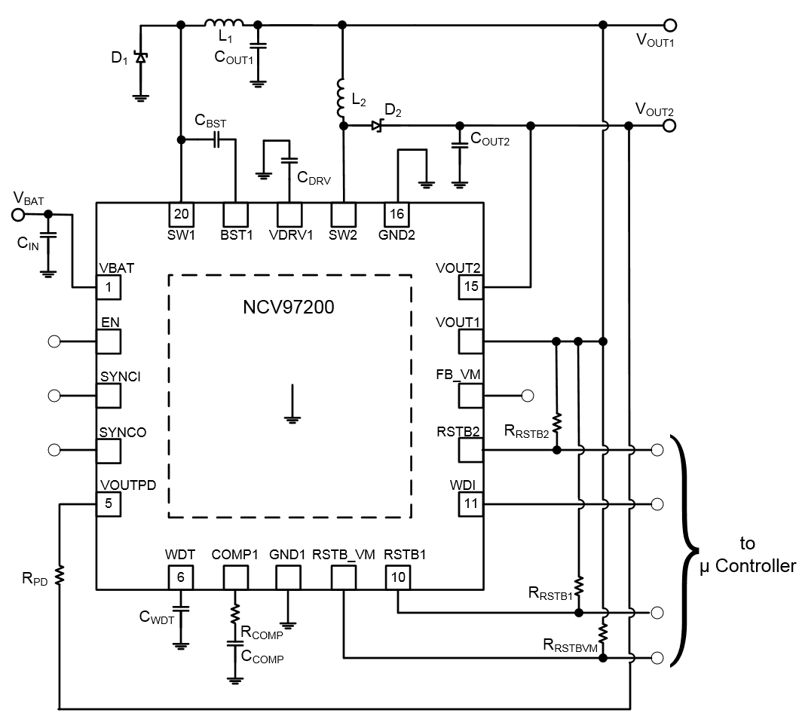
Iq | 0.004 | A |  | 1.67 | W
Vdiode | 0.55 | V
NRVB440MFS recommended |  |  | Total Input Power
Idrive | 0.014 | A |  | 11.76 | W
Idrive2,3,4 | 0.025 | A

Power Loss for Switcher 2 [Downstream Non-Synchronous Boost]
VIN2 | 3.3 | V | D | 0.405
IOUT2 (Vout2) | 0.300 | A | Inductor | 4.70 | uH
 |  |  | DCR | 0.217 | Ω
RdsonSW | 0.74588235294 | Ω | fsw | 2300 | kHz | I Inductor p-p (A)
ton | 5 | ns | Pind | 0.020 | W | 0.111
toff | 2 | ns | Pcon | 0.028 | W
 |  |  | Psw | 0.008 | W | I Inductor RMS (A)
Iq | 0.004 | A | Piq | 0.013 | W | 0.302
Vdiode | 0.35 | V | Pdiode | 0.062 | W
 |  |  | Pdiss - SMPS | 0.035 | W | I Inductor Peak (A)
 |  |  | Internal SW2 dissipation | 0.049 | W | 0.356
 |  |  | Total SW2 Input Power | 1.631 | W

